Brute Force
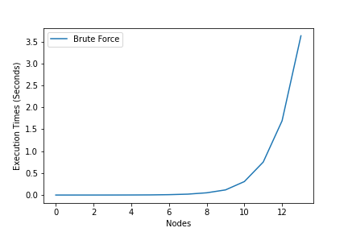
 | solution | inverse solution | maxcut | exec time | nodes
0 | 10 | 01 | 3 | 2.4900000001E-05 | 2
1 | 100 | 011 | 5 | 6.0699999999E-05 | 3
2 | 0110 | 1001 | 10 | 0.0001659 | 4
3 | 11000 | 00111 | 21 | 0.0004813 | 5
4 | 010110 | 101001 | 24 | 0.00137 | 6
5 | 1110010 | 0001101 | 45 | 0.0031615 | 7
6 | 11100010 | 00011101 | 52 | 0.0085559 | 8
7 | 111011000 | 000100111 | 67 | 0.0205084 | 9
8 | 1110110000 | 0001001111 | 82 | 0.0511171 | 10
9 | 00110101010 | 11001010101 | 102 | 0.1171791 | 11
10 | 111000111000 | 000111000111 | 123 | 0.3072031 | 12
11 | 1100011101000 | 0011100010111 | 153 | 0.7517848 | 13
12 | 01111010001110 | 10000101110001 | 169 | 1.6931151 | 14
13 | 101010010110010 | 010101101001101 | 192 | 3.6310547 | 15

QAOA
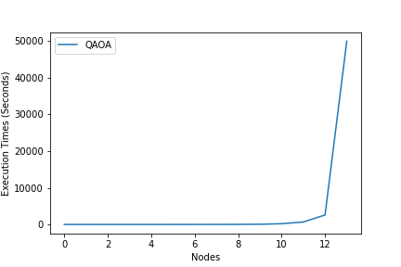
 | solution | inverse solution | maxcut | exec time | nodes
0 | 10 | 01 | 3 | 4.0432059765 | 2
1 | 100 | 011 | 5 | 4.4171335697 | 3
2 | 0110 | 1001 | 10 | 5.4061191082 | 4
3 | 11000 | 00111 | 21 | 5.9666714668 | 5
4 | 010110 | 101001 | 24 | 8.0889694691 | 6
5 | 1110010 | 0001101 | 45 | 8.9781918526 | 7
6 | 11100010 | 00011101 | 52 | 12.246639967 | 8
7 | 111011000 | 000100111 | 67 | 16.357087612 | 9
8 | 1110110000 | 0001001111 | 82 | 28.071975231 | 10
9 | 00110101010 | 11001010101 | 102 | 61.207441807 | 11
10 | 111000111000 | 000111000111 | 123 | 203.69203734 | 12
11 | 1100011101000 | 0011100010111 | 153 | 680.16823077 | 13
12 | 01111010001110 | 10000101110001 | 169 | 2584.0070999 | 14
13 | 101010010110010 | 010101101001101 | 192 | 49891.806494 | 15

VQE
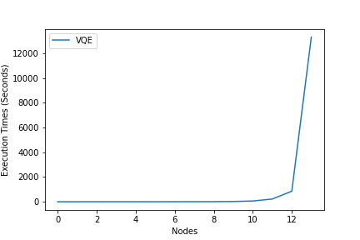
 | solution | inverse solution | maxcut | exec time | nodes
0 | 10 | 01 | -2.999822892 | 1.5229179859 | 2
1 | 100 | 011 | -4.9997847296 | 2.1244354248 | 3
2 | 1001 | 0110 | -9.9755205267 | 2.6109650135 | 4
3 | 10010 | 01101 | -20.901352871 | 3.2951188087 | 5
4 | 101001 | 010110 | -23.987505849 | 3.9871451855 | 6
5 | 0001101 | 1110010 | -44.785863871 | 4.7197949886 | 7
6 | 00011101 | 11100010 | -51.394266183 | 5.5035068989 | 8
7 | 111100010 | 000011101 | -64.356398664 | 7.1046099663 | 9
8 | 1110100100 | 0001011011 | -79.706264119 | 10.213131428 | 10
9 | 11010001010 | 00101110101 | -96.821005773 | 24.091169357 | 11
10 | 110001100110 | 001110011001 | -121.80128385 | 63.40968132 | 12
11 | 1101011101000 | 0010100010111 | -144.93622964 | 223.88905501 | 13
12 | 10100010110010 | 01011101001101 | -160.61361909 | 855.00919008 | 14
13 | 101010010110010 | 010101101001101 | -189.10943842 | 13325.996089 | 15

All
